1. Start Here
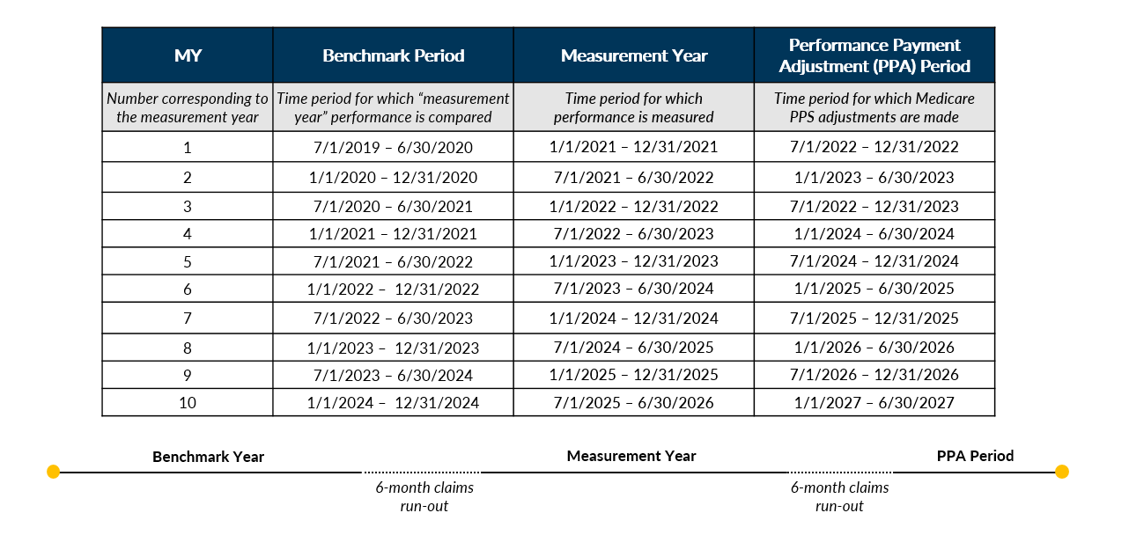
ESRD Treatment Choices (ETC) Model Physician Impact Calculator
 | Overview

INTRODUCTION
The ETC program is a new program launched by CMS with the intent of improving the number of patients treating on home dialysis modalities along with patients being entered on the transplant waitlist. This calculator should function as a tool to forecast the financial impact of the program at the physician or physician practice level, separate from the broader Hospital Referral Region (HRR).
OVERVIEW
In order to incentivize Home modality and Transplant improvement, CMS is introducing a tiered performance threshold that includes adjustments to medicare reimbursement per patient from MCP claims with CPT Codes 90957, 90958, 90959, 90960, 90961,
90962, 90965, 90966, for home patients and Claims with Type of Bill 072X and condition code 72 for self-dialysis patients. The Home Dialysis Performance Adjustment (HDPA) incentive includes three years of upside as outlined in the HDPA table below, while the Performance Payment Adjustment (PPA) includes both upside and potential loss as outlined in the performance thresholds table below.
PERFORMANCE THRESHOLDS
METRIC DEFINITIONS
CLINICIAN PERFORMANCE PAYMENT ADJUSTMENT OVER DURATION OF ETC
PROGRAM TIMELINE

Navigate to the CMS ETC website and scroll to the Additional Information section at the bottom of the page to fine the ETC Model Achievement Benchmarks for Measurement Year X (x being the latest or desired program measurement year)

Total dialysis patients
Home dialysis patients + one half the number of self dialysis patients & Nocturnal ICHD patients
=
Transplant Rate Sum of waitlist and living donor transplant rate
Total dialysis patients
Total number of dialysis patients on the transplant waitlist
+
Total dialysis patients + total pre-emptive living donor transplant patients
Total living donor transplant patients + total pre-emptive living donor transplant patients
=
Home Dialysis Rate

2. Instructions
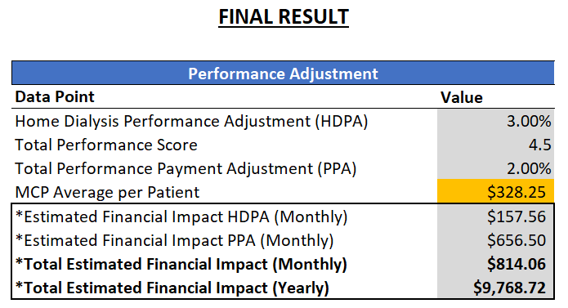
ESRD Treatment Choices (ETC) Model
Physician Impact Calculator

Overview

The ESRD Treatment Choices (ETC) Model Impact Calculator for Managing Clinicians should function as a tool to forecast the financial impact of the program at the physician or physician practice level, separate from the broader Hospital Referral Region (HRR).

How to Input Your Data:

Enter your Total patient count and Home Dialysis & Transplant patient counts in the orange boxes by following the steps outlined in the 3. Physician Calculator tab:
When entering patients into the orange boxes:
Choose the appropriate Measurement Year
If MY3, select MY3 Stratum 1 if your patient population contains >=50% Dual/LIS eligible patients and MY3 Stratum 2 if your patient population contains <50% Dual/LIS eligible patients
Include only Medicare Part B patients; and
Do not include: Patients >75 years old (transplant count only), patients with diagnosis of and receiving treatment for cancer (transplant count only) , Patients <18 years old, International visitors, Hospice patients, AKI patients, Patients diagnosed with Dementia in last 12 months, Skilled Nursing Facility (SNF) patients,

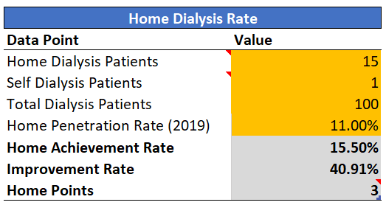
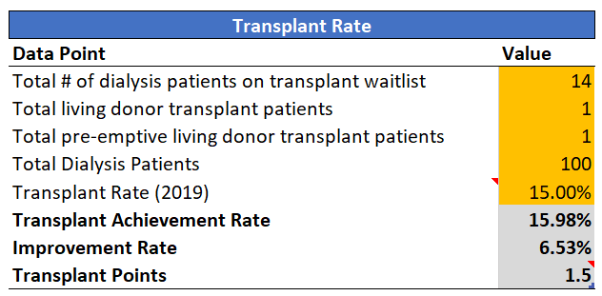

Interpreting the Output:

After entering the data in Steps 1-3, look to the Final Result table and review it against the current PPA Period:

3. Physician Calculator
ESRD Treatment Choices (ETC) Model Physician Impact Calculator for medicare patients only*

Step 1
Become familiar with patient exclusions
When Entering data in Yellow cells below:
1) Only include Medicare Part B Patients in patient totals
2) Do not include patients >75 years old (*transplant only)
3) Do not include patients <18 years old
4) Do not include International visitors
5) Do not include Hospice patients
6) Do not include AKI patients
7) Do not include patients diagnosed with Dementia in last 12 months
8) Do not include skilled nursing facility (SNF) patients

Enter your values in all yellow boxes; your performance will automatically update.

Step 2 | Measurement Year: | MY3 Stratum 2 |  |  |  | FINAL RESULT

Enter information for your practice, keeping in mind the exclusions from above
 | Home Dialysis Rate |  | Transplant Rate |  |  | Performance Adjustment
 | Data Point | Value | Data Point | Value |  | Data Point | Value
 | Home Dialysis Patients | 0 | Total # of patients on transplant waitlist | 0 |  | Home Dialysis Performance Adjustment (HDPA) | 3.00%
 | Self Dialysis/Nocturnal ICHD Patients | 0 | Total living donor transplant patients | 0 |  | Total Performance Score | #DIV/0!
 | Total Dialysis Patients | 0 | Total pre-emptive living donor transplant patients | 0 |  | Total Performance Payment Adjustment (PPA) | #DIV/0!
 | Home Penetration Rate (2019) | 0.00% | Total Dialysis Patients | 0 |  | MCP Average per Patient | $328.25
 | Home Achievement Rate | #DIV/0! | Transplant Rate (2019) | 0.00% |  | *Estimated Financial Impact HDPA (Monthly) | $0.00
 | Improvement Rate | #DIV/0! | Transplant Achievement Rate | #DIV/0! |  | *Estimated Financial Impact PPA (Monthly) | #DIV/0!
 | Home Points | #DIV/0! | Improvement Rate | #DIV/0! |  | *Total Estimated Financial Impact (Monthly) | #DIV/0!
 |  |  | Transplant Points | #DIV/0! |  | *Total Estimated Financial Impact (Yearly) | #DIV/0!
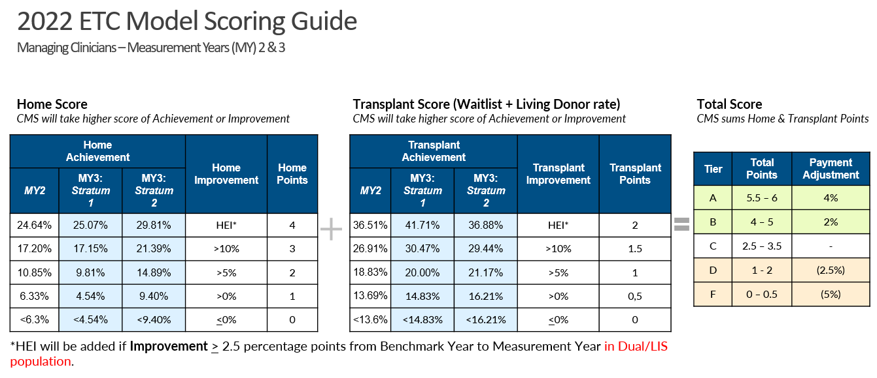
Step 3

Check your performance score from above using this chart to verify adjustment tier
Keep in mind your score is reflective of the higher value from the Achievement and Improvement rates
Final Note: this data is reflective of a single months performance only. CMS will calculate final scores using aggregate performance for the entire measurement period

 |  |  |  |  | Click here for all Measurement Year benchmarks and scoring

